Exacta
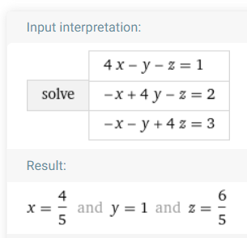

Por wolfram
https://www.wolframalpha.com/input/?i=systems+of+equations+calculator&assumption=%7B%22F%22%2C+%22SolveSystemOf3EquationsCalculator%22%2C+%22equation1%22%7D+-%3E%224*x-y-z%3D1%22&assumption=%22FSelect%22+-%3E+%7B%7B%22SolveSystemOf3EquationsCalculator%22%7D%7D&assumption=%7B%22F%22%2C+%22SolveSystemOf3EquationsCalculator%22%2C+%22equation2%22%7D+-%3E%22-x%2B4*y-z%3D2%22&assumption=%7B%22F%22%2C+%22SolveSystemOf3EquationsCalculator%22%2C+%22equation3%22%7D+-%3E%22-x-y%2B4*z%3D3%22

